Sheet1
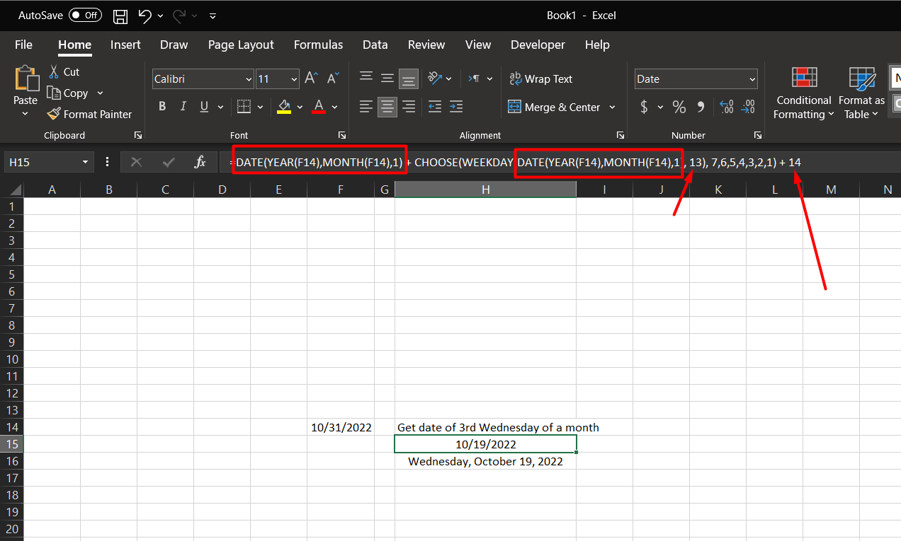
 | Date(…) formula to get 1st day in month
 | 13 in formula to get 1st Wednesday
 | 14 in formula to add 14 days to get 3rd Wednesday

2022-10-31 | Get date of 3rd Wednesday of a month
 | 2022-10-19
 | 2022-10-19

